Sheet1
GENS | N | WACC | CRF | CAPEX PER MW | Cinv_RISK_FREE | FOM
PV | 25 | 0.062 | 0.079719509679 | 1136000 | 103561.363 | 13000
WINDON | 30 | 0.061 | 0.073427963405 | 1327000 | 125438.907 | 28000
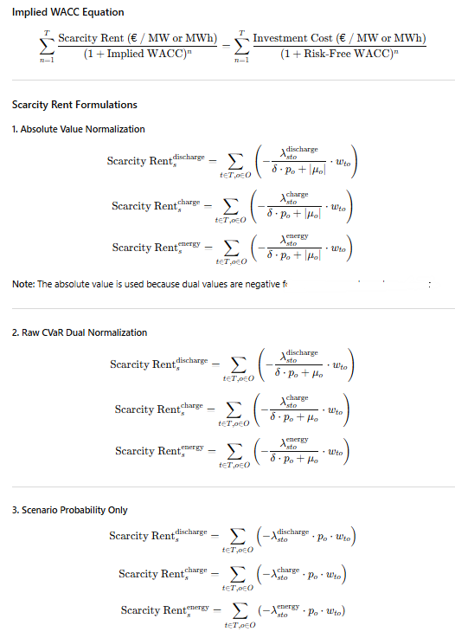
WIND OFF | 30 | 0.065 | 0.076577442246 | 3487000 | 339025.541 | 72000
NUCLEAR | 60 | 0.07 | 0.0712292255 | 6344000 | 607878.207 | 156000
GAS | 25 | 0.07 | 0.085810517221 | 1330000 | 426127.988 | 312000 |  |  |  |  |  |  | complete

 |  |  |  |  |  |  |  |  |  |  |  |  |  | H2_P | H2_E | BESS_P | BESS_E
STORAGE | N | WACC | CRF | CAPEX PER MW | CAPEX PER MWh | FOM | Power_Cinv_RISK_FREE | Energy_Cinv_RISK_FREE |  |  |  |  | WACC | 0.07 | 0.07 | 0.06 | 0.06
LDES | 18 | 0.07 | 0.099412601658 | 2750000 | 15000 | 118000 | 391384.65456 | 1491.1890249 |  |  |  |  | abs | 19.6329 | 17.7215 | 0.0092 | 22.5885
BESS | 20 | 0.06 | 0.087184556977 | 295000 | 201000 | 27000 | 52719.444308 | 17524.095952 |  |  |  |  | no abs | 1384.3125 | 2453.3333 | 4.8124 | 2153.1024
 |  |  |  |  |  |  |  |  |  |  |  |  | 3rd way | 0.0677 | 0.0428 | 0.05 | 0.0841
 |  |  |  |  |  |  |  |  |  |  |  |  | 4rd way (w below in divison) | 9.92 | 18.9029 | -0.0271 | 24.9751

 |  |  | complete
 |  | PV | WINDON | WINDOFF | NUCLEAR | GAS | H2_P | H2_E | BESS_P | BESS_E |  |  | w | time weights
0.75 |  | 0.0610 | 0.1274 | 0.0492 | 0.1519 | -0.0358 |  |  |  |  |  |  | p | probability (1/15)
0.5 |  | 0.0604 | 0.1277 | 0.0496 | 0.1504 | -0.0466 |  |  |  |  |  |  | μ | dual of cvar constraint
0.25 |  | 0.0602 | 0.1283 | 0.0501 | 0.1494 | -0.0553 |  |  |  |  |  |  | λ | dual of power and energy capacity constraints (discharge, charge, energy)

 |  |  | fully incomplete
 |  | PV | WINDON | WINDOFF | NUCLEAR | GAS | H2_P | H2_E | BESS_P | BESS_E
0.75
0.5 |  |  |  |  |  |  | 0.0726 | 0.0425 | 0.0499 | 0.0886
0.25

 |  |  |  |  | p | e

0.5 |  | pv | 13802954.03 | 135.27385557 | 102037.11554 |  |  |  |  |  |  | 2925018.5583
 |  | wind on | 11523739.544 | 51.394308567 | 224222.09513 |  |  |  |  |  |  | 3411905.5285
 |  | wind off | 26515559.119 | 92.509751684 | 286624.47619 |  |  |  |  |  |  | 1893951.709
 |  | nuclear | 5134941.4088 | 3.9999899416 | 1283738.5803 |  |  |  |  |  |  | 2022880.3212
 |  | gas | 4965934.2877 | 49.31998592 | 100688.07189 |  | power cap | energy cap |  |  |  | 2274535.0656
 |  | h2 | 146774.45947 | 260796.22312 | 407570.68259 | 1180.0936191 | 4.02 | 364.8 | 2068932.2963 | 2406888.6413 |  | 2853754.8911
 |  | bess | 1873.1647033 | 27280.993618 | 29154.158322 | 14330.245344 | 23.964365074 | 95.857145732 | 2072317.3098 | 2814517.4363 |  | 1654609.7864
 |  |  |  |  |  |  |  |  |  |  |  | 1599997.0296
0.25 |  | pv | 13813690.142 | 135.70720353 | 101790.39714 |  |  |  |  |  |  | 1670250.6386
 |  | wind on | 11531867.416 | 51.215202175 | 225164.93006 |  |  |  |  |  |  | 2849501.178
 |  | wind off | 26577137.875 | 92.187360195 | 288294.81416 |  |  |  |  |  |  | 3510828.5675
 |  | nuclear | 5100492.2933 | 3.9999785279 | 1275129.9183 |  |  |  |  |  |  | 3110048.4453
 |  | gas | 4316646.0445 | 49.48238349 | 87236.016943 |  | power cap | energy cap |  |  |  | 2103939.088
 |  | h2 | 167439.07449 | 218949.32783 | 386388.40232 | 1238.1456632 | 6.0551324397 | 510.36356419 | 2971537.3829 | 2760278.9939 |  | 2471454.9999
 |  | bess | 102.33095471 | 123.13063256 | 225.46158728 | 21233.245831 | 23.955255325 | 95.819666052 | 2039963.5146 | 2762928.0656 |  | 1750653.8129
 |  |  |  |  |  |  |  |  |  |  |  | 2406888.6413

 |  |  |  | UE complete

 |  |  |  |  | 1 | 0.75 | 0.5 | 0.25 | 7.50E-01 | 0.5 | 0.25
 |  |  |  | 11 | 81.407704739 | 60.191499914 | 4.22E+01 | 2.83E+01 | 1.09E+02 | 139.02260858 | 170.87806175
 |  |  |  | 12 | 99.440118498 | 76.868794013 | 57.622372862 | 4.28E+01 | 1.28E+02 | 160.15520416 | 194.43379212
 |  |  |  | 19 | 0.53969204585 | 1.767946379 | 2.1679269502 | 4.68E+00 | 1.15E-05 | 2.54E-06 | 5.03E-06
 |  |  |  | 23 | 0.54654016557 | 1.7901008077 | 2.1952189829 | 4.74E+00 | 1.15E-05 | 2.57E-06 | 6.62E-06
 |  |  |  | 24 | 0.54652823193 | 1.8085984011 | 2.2327417515 | 4.84E+00 | 1.14E-05 | 2.52E-06 | 4.86E-06
 |  |  |  | 30 | 0.54652860902 | 1.7899089598 | 2.1954182389 | 4.74E+00 | 1.14E-05 | 2.52E-06 | 4.86E-06
 |  |  |  | 7 | 0.54259765072 | 1.7775869746 | 2.1796448118 | 4.70E+00 | 1.19E-05 | 23.118923525 | 74.856152219
 |  |  |  | 8 | 0.54653796673 | 1.7899421587 | 2.1951330124 | 4.7388865231 | 1.15E-05 | 2.55E-06 | 38.864136571
 |  |  |  |  | 23.014530988 | 18.473047201 | 14.117952934 | 12.436586682 | 29.656430184 | 40.28709362 | 59.879020504

 |  |  |  |  |  | 6.9868981345 | 13.687043161 | 16.273760471 | -10.218306455 | -26.573173279 | -56.714599254

